pivote table1order details
Row Labels | Sum of Totalsales | Count of OrderID
ALFKI | 4273 | 12 | 28128.734211
ANATR | 1402.95 | 10
 | Sum of Totalsales | Count of OrderID
ALFKI | 4273 | 12
ANATR | 1402.95 | 10
ANTON | 7023.9775 | 17
AROUT | 13390.65 | 30
BERGS | 24927.5775 | 52
BLAUS | 3239.8 | 14
BLONP | 18534.08 | 26
BOLID | 4232.85 | 6
BONAP | 21963.2525 | 44
BOTTM | 20801.6 | 35
BSBEV | 6089.9 | 22
CACTU | 1814.8 | 11
CENTC | 100.8 | 2
CHOPS | 12348.88 | 22
COMMI | 3810.75 | 10
CONSH | 1719.1 | 7
DRACD | 3763.21 | 10
DUMON | 1615.9 | 9
EASTC | 14761.035 | 21
ERNSH | 104874.9785 | 102
FAMIA | 4107.55 | 19
FOLIG | 11666.9 | 16
FOLKO | 29567.5625 | 45
FRANK | 26656.5595 | 48
FRANR | 3172.16 | 6
FRANS | 1545.7 | 10
FURIB | 6427.4225 | 20
GALED | 836.7 | 8
GODOS | 11446.36 | 26
GOURL | 8414.135 | 19
GREAL | 18507.45 | 22
GROSR | 1488.7 | 4
HANAR | 32841.37 | 32
HILAA | 22768.764 | 45
HUNGC | 3063.2 | 9
HUNGO | 49979.905 | 55
ISLAT | 6146.3 | 23
KOENE | 30908.384 | 39
LACOR | 1992.05 | 11
LAMAI | 9328.2 | 31
LAUGB | 522.5 | 8
LAZYK | 357 | 2
LEHMS | 19261.41 | 39
LETSS | 3076.4725 | 10
LILAS | 16076.6 | 34
LINOD | 16476.565 | 35
LONEP | 4258.6 | 14
MAGAA | 7176.215 | 21
MAISD | 9736.075 | 17
MEREP | 28872.19 | 32
...
ANTON | 7023.9775 | 17
AROUT | 13390.65 | 30
BERGS | 24927.5775 | 52
BLAUS | 3239.8 | 14
BLONP | 18534.08 | 26
BOLID | 4232.85 | 6
BONAP | 21963.2525 | 44
BOTTM | 20801.6 | 35
BSBEV | 6089.9 | 22
CACTU | 1814.8 | 11
CENTC | 100.8 | 2
CHOPS | 12348.88 | 22
COMMI | 3810.75 | 10
CONSH | 1719.1 | 7
DRACD | 3763.21 | 10
DUMON | 1615.9 | 9
EASTC | 14761.035 | 21
ERNSH | 104874.9785 | 102
FAMIA | 4107.55 | 19
FOLIG | 11666.9 | 16
FOLKO | 29567.5625 | 45
FRANK | 26656.5595 | 48
FRANR | 3172.16 | 6
FRANS | 1545.7 | 10
FURIB | 6427.4225 | 20
GALED | 836.7 | 8
GODOS | 11446.36 | 26
GOURL | 8414.135 | 19
GREAL | 18507.45 | 22
GROSR | 1488.7 | 4
HANAR | 32841.37 | 32
HILAA | 22768.764 | 45
HUNGC | 3063.2 | 9
HUNGO | 49979.905 | 55
ISLAT | 6146.3 | 23
KOENE | 30908.384 | 39
LACOR | 1992.05 | 11
LAMAI | 9328.2 | 31
LAUGB | 522.5 | 8
LAZYK | 357 | 2
LEHMS | 19261.41 | 39
LETSS | 3076.4725 | 10
LILAS | 16076.6 | 34
LINOD | 16476.565 | 35
LONEP | 4258.6 | 14
MAGAA | 7176.215 | 21
MAISD | 9736.075 | 17
MEREP | 28872.19 | 32
MORGK | 5042.2 | 11
NORTS | 649 | 6
OCEAN | 3460.2 | 11
OLDWO | 15177.4625 | 24
OTTIK | 12496.2 | 29
PERIC | 4242.2 | 14
PICCO | 23128.86 | 23
PRINI | 5044.94 | 10
QUEDE | 6664.81 | 24
QUEEN | 25717.4975 | 40
QUICK | 110277.305 | 86
RANCH | 2844.1 | 12
RATTC | 51097.8005 | 71
REGGC | 7048.24 | 22
RICAR | 12450.8 | 27
RICSU | 19343.779 | 30
ROMEY | 1467.29 | 14
SANTG | 5735.15 | 16
SAVEA | 104361.95 | 116
SEVES | 16215.325 | 26
SIMOB | 16817.0975 | 15
SPECD | 2423.35 | 6
SPLIR | 11441.63 | 20
SUPRD | 24088.78 | 39
THEBI | 3361 | 7
THECR | 1947.24 | 8
TOMSP | 4778.14 | 14
TORTU | 10812.15 | 29
TRADH | 6850.664 | 13
TRAIH | 1571.2 | 9
VAFFE | 15843.925 | 31
VICTE | 9182.43 | 25
VINET | 1480 | 10
WANDK | 9588.425 | 26
WARTH | 15648.7025 | 37
WELLI | 6068.2 | 19
WHITC | 27363.605 | 40
WILMK | 3161.35 | 17
WOLZA | 3531.95 | 16
(blank)
Grand Total | 1265793.0395 | 2155

Q2
1. How do customer order patterns vary by city or country?

Argentina | 14
Spain | 23
Switzerland | 17
Italy | 27
Venezuela | 43
Belgium | 19
Norway | 6
Sweden | 37
USA | 119
France | 75
Mexico | 27
Brazil | 81
Austria | 38
Poland | 7
UK | 56
Ireland | 19
Germany | 120
Denmark | 17
Canada | 29
Portugal | 13
Finland | 22

Q1
1. What is the average number of orders per customer? Are there high-value repeat customers?
TOMSP | 6
LONEP | 8
OLDWO | 10
 | 0 | 6
 | 0 | 8
 | 0 | 10
 | 0 | 15
 | 0 | 10
 | 0 | 12
 | 0 | 5
 | 0 | 7
 | 0 | 5
 | 0 | 9
 | 0 | 7
 | 0 | 5
 | 0 | 17
 | 0 | 9
 | 0 | 7
 | 0 | 8
 | 0 | 4
 | 0 | 15
 | 0 | 7
 | 0 | 10
 | 0 | 6
 | 0 | 5
 | 0 | 4
 | 0 | 5
 | 0 | 3
 | 0 | 10
 | 0 | 14
 | 0 | 6
 | 0 | 10
 | 0 | 10
 | 0 | 5
 | 0 | 11
 | 0 | 4
 | 0 | 2
 | 0 | 28
 | 0 | 4
 | 0 | 8
 | 0 | 2
 | 0 | 4
 | 0 | 3
 | 0 | 19
 | 0 | 10
 | 0 | 13
 | 0 | 14
 | 0 | 13
 | 0 | 6
 | 0 | 3
 | 0 | 3
 | 0 | 3
 | 0 | 16
...
WARTH | 15
MAGAA | 10
QUEEN | 12
VINET | 5
ANTON | 7
MORGK | 5
GOURL | 9
WOLZA | 7
GALED | 5
RATTC | 17
WELLI | 9
WILMK | 7
FURIB | 8
DUMON | 4
FRANK | 15
FAMIA | 7
TORTU | 10
FRANS | 6
PRINI | 5
RANCH | 4
PERIC | 5
CONSH | 3
ISLAT | 10
LEHMS | 14
ALFKI | 6
VICTE | 10
RICAR | 10
FOLIG | 5
LINOD | 11
ANATR | 4
LAZYK | 2
QUICK | 28
THEBI | 4
CHOPS | 8
GROSR | 2
LACOR | 4
FRANR | 3
HUNGO | 19
OTTIK | 10
AROUT | 13
KOENE | 14
MEREP | 13
BLAUS | 6
LAUGB | 3
THECR | 3
BOLID | 3
BONAP | 16
SANTG | 6
DRACD | 6
GODOS | 10
NORTS | 3
BSBEV | 10
HANAR | 14
SEVES | 9
MAISD | 7
BERGS | 18
FOLKO | 19
SPLIR | 9
CACTU | 5
OCEAN | 5
SAVEA | 31
BLONP | 11
LETSS | 4
VAFFE | 11
HILAA | 18
EASTC | 8
PICCO | 10
ERNSH | 28
SPECD | 4
ROMEY | 5
SUPRD | 12
COMMI | 5
REGGC | 11
TRADH | 6
CENTC | 1
GREAL | 9
QUEDE | 9
LAMAI | 13
SIMOB | 6
WANDK | 10
HUNGC | 5
LILAS | 12
WHITC | 14
RICSU | 9
TRAIH | 3
BOTTM | 13

Q9
1. Are there correlations between product pricing, stock levels, and sales performance?
ANS:-
SQL QUERY

SELECT
p.productname,
p.unitprice,
p.unitsinstock,
SUM(od.quantity) AS total_sales
FROM products p
JOIN order_details od
ON p.productid = od.productid
GROUP BY
p.productname,
p.unitprice,
p.unitsinstock
ORDER BY total_sales DESC;

ANSWER:-

Camembert Pierrot | 34 | 19 | 1577
Raclette Courdavault | 55 | 79 | 1496
Gorgonzola Telino | 12.5 | 0 | 1397
Gnocchi di nonna Alice | 38 | 21 | 1263
Pavlova | 17.45 | 29 | 1158
Rhönbräu Klosterbier | 7.75 | 125 | 1155
Guaraná Fantástica | 4.5 | 20 | 1125
Boston Crab Meat | 18.4 | 123 | 1103
Tarte au sucre | 49.3 | 17 | 1083
Chang | 19 | 17 | 1057
Fløtemysost | 21.5 | 26 | 1057
Sir Rodney's Scones | 10 | 3 | 1016
Jack's New England Clam Chowder | 9.65 | 85 | 981
Lakkalikööri | 18 | 57 | 981
Alice Mutton | 39 | 0 | 978
Pâté chinois | 24 | 115 | 903
Konbu | 6 | 24 | 891
Manjimup Dried Apples | 53 | 20 | 886
Steeleye Stout | 18 | 20 | 883
Chai | 18 | 39 | 828
Outback Lager | 15 | 15 | 817
Mozzarella di Giovanni | 34.8 | 14 | 806
Inlagd Sill | 19 | 112 | 805
Scottish Longbreads | 12.5 | 6 | 799
Chartreuse verte | 18 | 69 | 793
Original Frankfurter grüne Soße | 13 | 32 | 791
Uncle Bob's Organic Dried Pears | 30 | 15 | 763
Tourtière | 7.45 | 21 | 755
Geitost | 2.5 | 112 | 755
Gumbär Gummibärchen | 31.23 | 15 | 753
Thüringer Rostbratwurst | 123.79 | 0 | 746
Louisiana Fiery Hot Pepper Sauce | 21.05 | 76 | 745
Ikura | 31 | 31 | 742
Wimmers gute Semmelknödel | 33.25 | 22 | 740
Teatime Chocolate Biscuits | 9.2 | 25 | 723
Perth Pasties | 32.8 | 0 | 722
Gudbrandsdalsost | 36 | 26 | 714
Queso Cabrales | 21 | 22 | 706
Singaporean Hokkien Fried Mee | 14 | 26 | 697
Rössle Sauerkraut | 45.6 | 26 | 640
Côte de Blaye | 263.5 | 17 | 623
Nord-Ost Matjeshering | 25.89 | 10 | 612
Sirop d'érable | 28.5 | 113 | 603
Gula Malacca | 19.45 | 27 | 601
Ipoh Coffee | 46 | 17 | 580
Tunnbröd | 9 | 61 | 580
Spegesild | 12 | 95 | 548
Carnarvon Tigers | 62.5 | 42 | 539
Escargots de Bourgogne | 13.25 | 62 | 534
Maxilaku | 20 | 10 | 520
Røgede sild | 9.5 | 5 | 508
Sasquatch Ale | 14 | 111 | 506
Filo Mix | 7 | 38 | 500
Zaanse koeken | 9.5 | 36 | 485
Chef Anton's Cajun Seasoning | 22 | 53 | 453
Vegie-spread | 43.9 | 24 | 445
Ravioli Angelo | 19.5 | 36 | 434
Tofu | 23.25 | 35 | 404
Northwoods Cranberry Sauce | 40 | 6 | 372
Schoggi Schokolade | 43.9 | 49 | 365
Gustaf's Knäckebröd | 21 | 104 | 348
Queso Manchego La Pastora | 38 | 86 | 344
Aniseed Syrup | 10 | 13 | 328
NuNuCa Nuß-Nougat-Creme | 14 | 76 | 318
Sir Rodney's Marmalade | 81 | 40 | 313
Grandma's Boysenberry Spread | 25 | 120 | 301
Chef Anton's Gumbo Mix | 21.35 | 0 | 298
Mascarpone Fabioli | 32 | 9 | 297
Longlife Tofu | 10 | 4 | 297
Röd Kaviar | 15 | 101 | 293
Louisiana Hot Spiced Okra | 17 | 4 | 239
Valkoinen suklaa | 16.25 | 65 | 235
Laughing Lumberjack Lager | 14 | 52 | 184
Chocolade | 12.75 | 15 | 138
Gravad lax | 26 | 11 | 125
Genen Shouyu | 15.5 | 39 | 122
Mishi Kobe Niku | 97 | 29 | 95

Q10
1. How does product demand change over months or seasons?

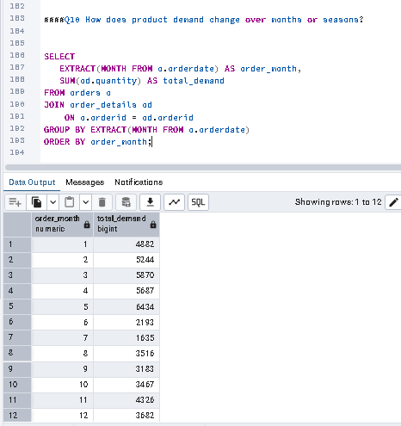

 | 1 | 4882
 | 2 | 5244
 | 3 | 5870
 | 4 | 5687
 | 5 | 6434
 | 6 | 2193
 | 7 | 1635
 | 8 | 3516
 | 9 | 3183
 | 10 | 3467
 | 11 | 4326
 | 12 | 3682

Q11
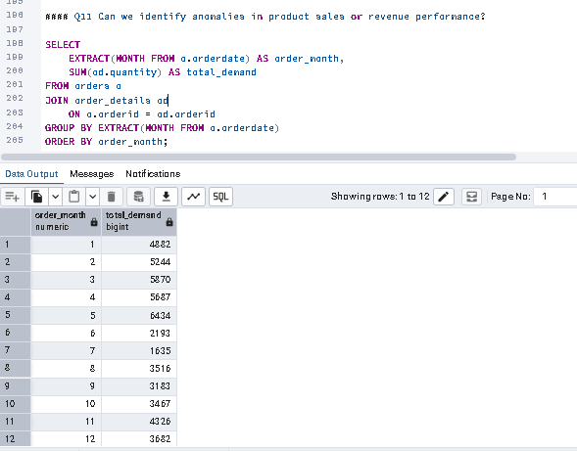
1. Can we identify anomalies in product sales or revenue performance?
ANS:-
 | 1 | 4882
 | 2 | 5244
 | 3 | 5870
 | 4 | 5687
 | 5 | 6434
 | 6 | 2193
 | 7 | 1635
 | 8 | 3516
 | 9 | 3183
 | 10 | 3467
 | 11 | 4326
 | 12 | 3682

Q12
Q12 Are there any regional trends in supplier distribution and pricing?

 |  | France | 76.75 | 3
 |  | Germany | 37.601111111 | 3
sql code |  | Australia | 33.83125 | 2
 |  | Japan | 30.458333333 | 2
SELECT |  | Spain | 29.5 | 1
s.country, |  | Italy | 27.36 | 2
 | AVG(p.unitprice) AS avg_price, | Canada | 27.3125 | 2
 | COUNT(DISTINCT s.supplierid) AS total_suppliers | Singapore | 26.483333333 | 1
FROM supplyerss s |  | UK | 22.814285714 | 2
JOIN products p |  | USA | 20.870833333 | 4
ON s.supplierid = p.supplierid |  | Norway | 20 | 1
GROUP BY s.country |  | Finland | 18.083333333 | 1
ORDER BY avg_price DESC; |  | Sweden | 18 | 2
 |  | Netherlands | 11.125 | 1
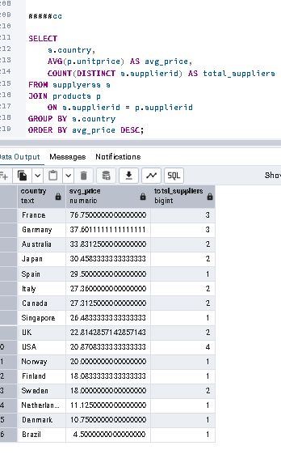
ANS:- |  | Denmark | 10.75 | 1
 |  | Brazil | 4.5 | 1

Q13
How are suppliers distributed across different product categories?
 |  | SQL CODE :-
ANS :-
Beverages | 8 | SELECT
Condiments | 8 | c.categoryname,
Seafood | 8 |  | COUNT(DISTINCT p.supplierid) AS total_suppliers
Confections | 6 | FROM products p
Grains/Cereals | 5 | JOIN categories c
Meat/Poultry | 5 | ON p.categoryid = c.categoryid
Produce | 5 | GROUP BY c.categoryname
Dairy Products | 4 | ORDER BY total_suppliers DESC;

